Data Drops
Cable Length,Qty & Type | Cat6 | Cat6A

Basic Link <50
1 cable drop | $0.00 | $0.00
2 cable drop | $0.00 | $0.00
3 cable drop | $0.00 | $0.00
4 cable drop | $0.00 | $0.00
5 cable drop | $0.00 | $0.00
6 cable drop | $0.00 | $0.00

Basic Link 50ft - 100ft
1 cable drop | $0.00 | $0.00
2 cable drop | $0.00 | $0.00
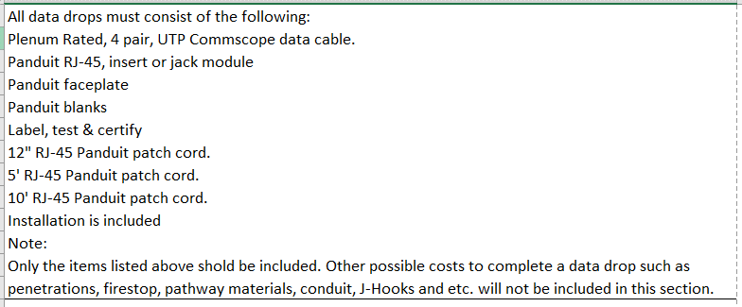
3 cable drop | $0.00 | $0.00
4 cable drop | $0.00 | $0.00
5 cable drop | $0.00 | $0.00
6 cable drop | $0.00 | $0.00

Basic Link 100ft - 200ft
1 cable drop | $0.00 | $0.00
2 cable drop | $0.00 | $0.00
3 cable drop | $0.00 | $0.00
4 cable drop | $0.00 | $0.00
5 cable drop | $0.00 | $0.00
6 cable drop | $0.00 | $0.00

Basic Link 200ft - 300ft
1 cable drop | $0.00 | $0.00
2 cable drop | $0.00 | $0.00 | Note: Patch cables must match type of cable used. Cat 6, 6A
3 cable drop | $0.00 | $0.00
4 cable drop | $0.00 | $0.00
5 cable drop | $0.00 | $0.00
6 cable drop | $0.00 | $0.00

